Sheet1
 |  |  |  |  | Result in degrees (rounded off to 4 places after decimal )obtained considering all 9596 X 8637 pixels |  |  |  | Result in degrees (rounded off to 4 places after decimal )obtained for region excluding marked black portion (without moon image on it)

SNo. | Lon P(λ0) | Lat P(ф1) | Expression used for calculating Latitude (ф) | Expression used for calculating Longitude (λ) | Latitude(min) | Latitude(max) | Longitude(min) | Longitude(max) | Latitude(min) | Latitude(max) | Longitude(min) | Longitude(max)
1 | 23.7 | -70.8 | Lat = ARCSIN[COS(C) * SIN(LatP) + (y/P) * SIN(C) * COS(LatP)] | same as above | -89.8068 | -88.2485 | -52.1039 | 99.5488 | -89.7153 | -88.3688 | -34.4902 | 93.4839
2 | 23.7 | -90 |  |  | -70.6068 | -69.2116 | 21.3904 | 26.0174 | -70.5907 | -69.2295 | 21.4569 | 25.756

 |  |  |  | same as above
3 | 23.7 | -70.8 |  | λ = λo +arctan (xly) | -89.8068 | -88.2485 | 21.3904 | 26.0174 | -89.7153 | -88.3688 | 21.4569 | 25.756
4 | 23.7 | -90 |  | λ = λo +arctan (xly) | -70.6068 | -69.2116 | 21.3904 | 26.0174 | -70.5907 | -69.2295 | 21.4569 | 25.756
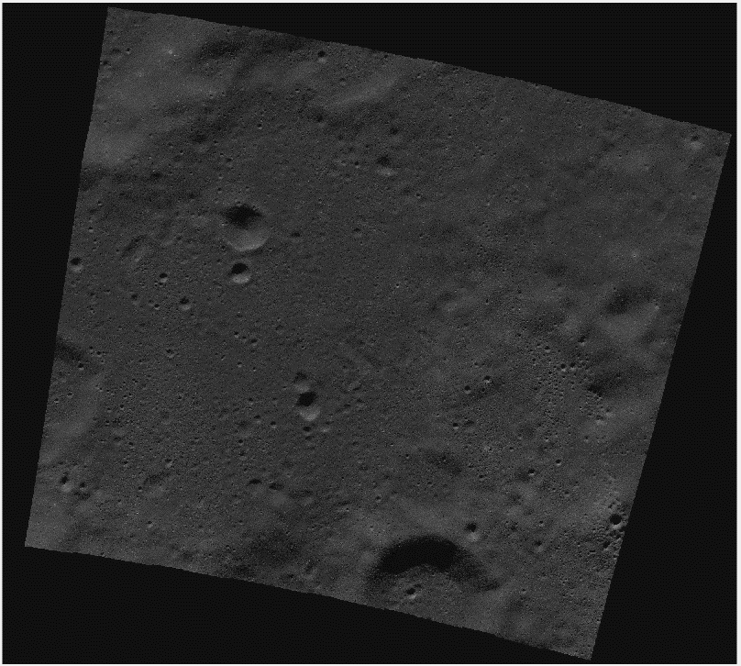

 |  |  | Filename | NAC_ROI_VIKRAM__LOC_P708S0237_5M.IMG

 |  |  | Details taken from label
 |  |  |  | LINE_PROJECTION_OFFSET = 118749.5
 |  |  |  | SAMPLE_PROJECTION_OFFSET = 4805.5
 |  |  |  | Scale considered => 0.005 km /pixel

